Benchmark
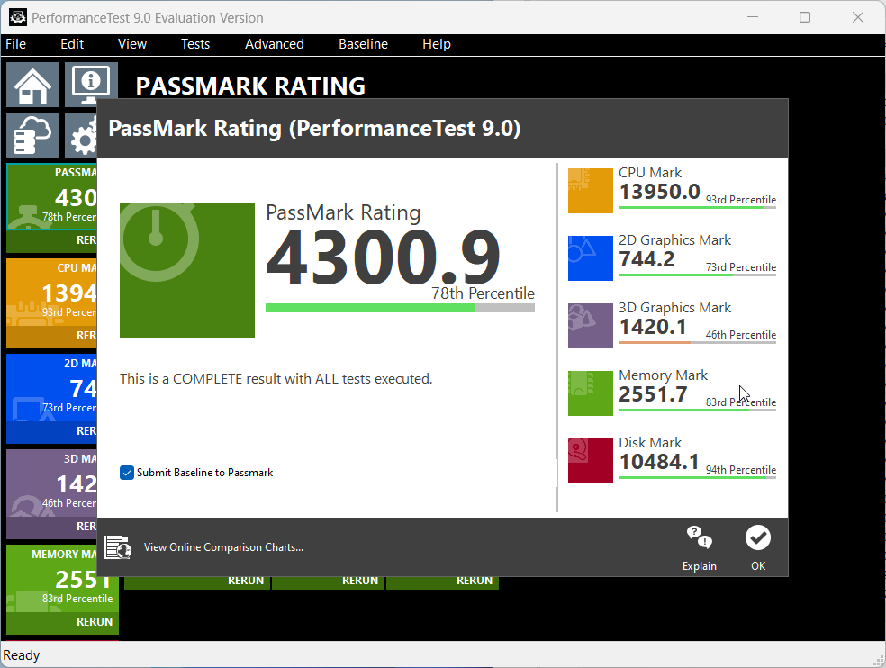

1. BURNING TEST |  |  |  | 2. CRISTAL DISMARK TEST |  |  |  | *Support PCIe 4.0
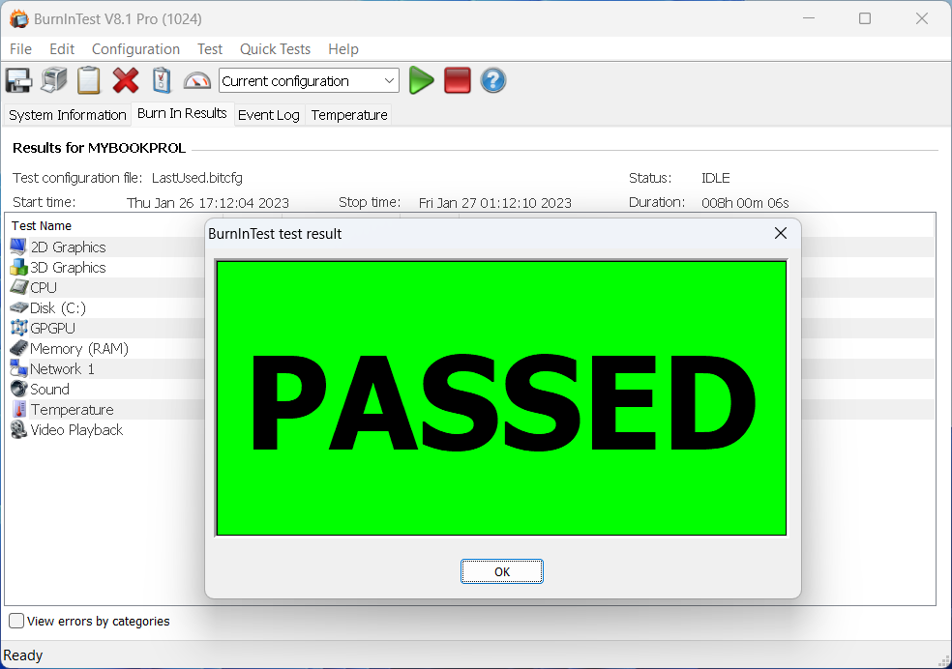
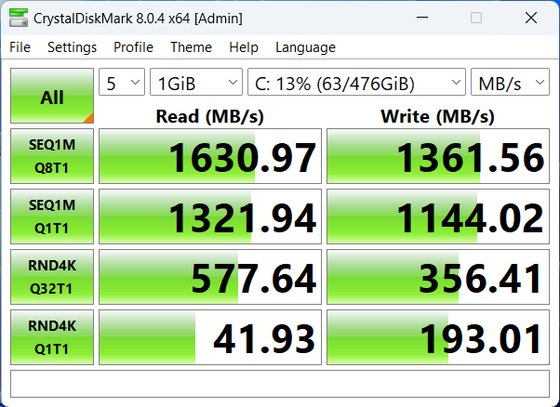
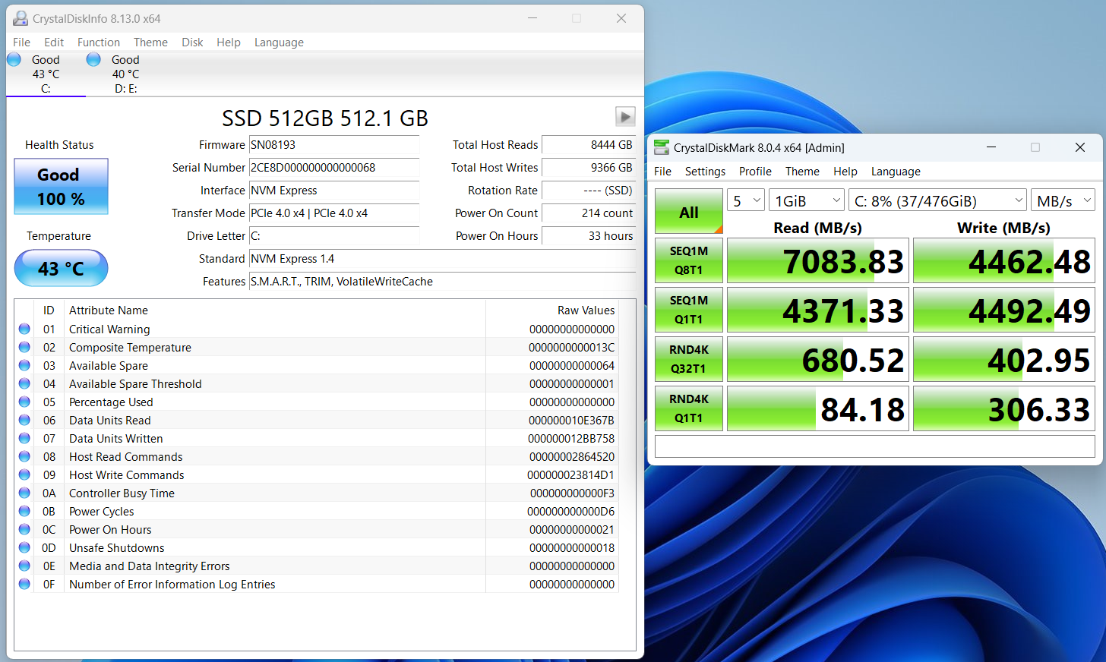

 |  |  | 3. CINEBENCH TEST

 |  |  |  | Cinebench test saat unit sedang dalam kondisi di charger

 | R15 |  |  |  |  | R15
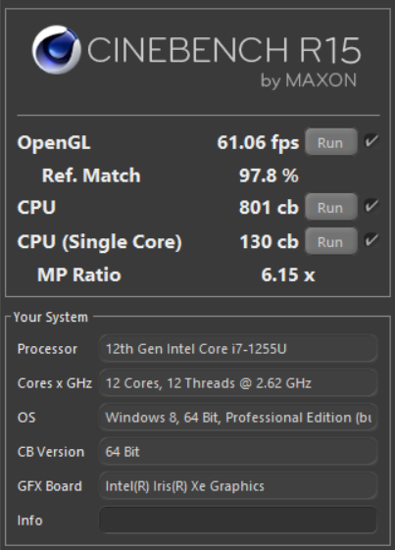
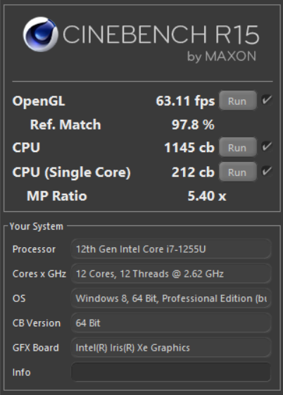

 | R20 |  |  |  |  | R20
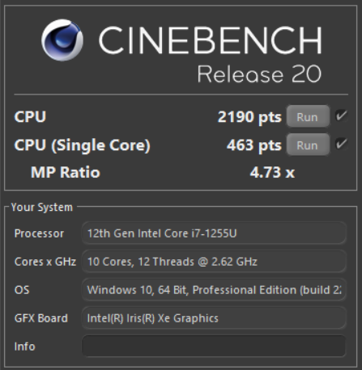
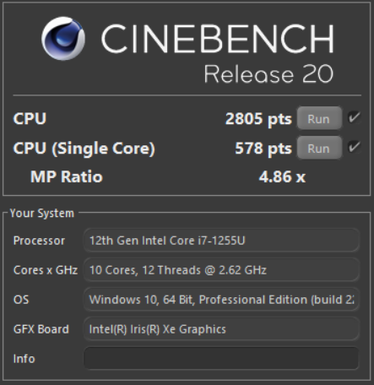

 | R23 |  |  |  |  | R23
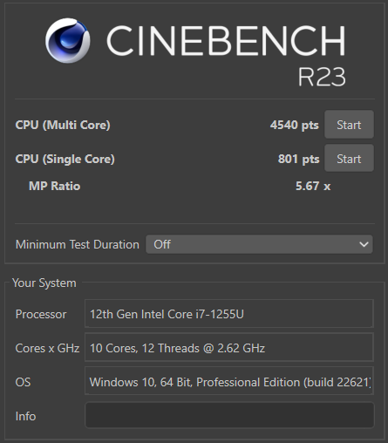
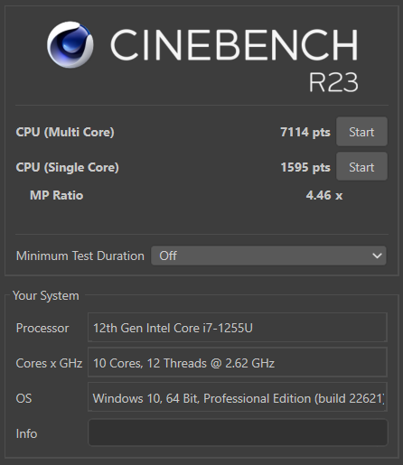

 |  |  | 4. 3D MARK TEST

 |  |  |  |  |  |  | 3D Mark test saat unit sedang dalam kondisi di charger

 |  | Time Spy
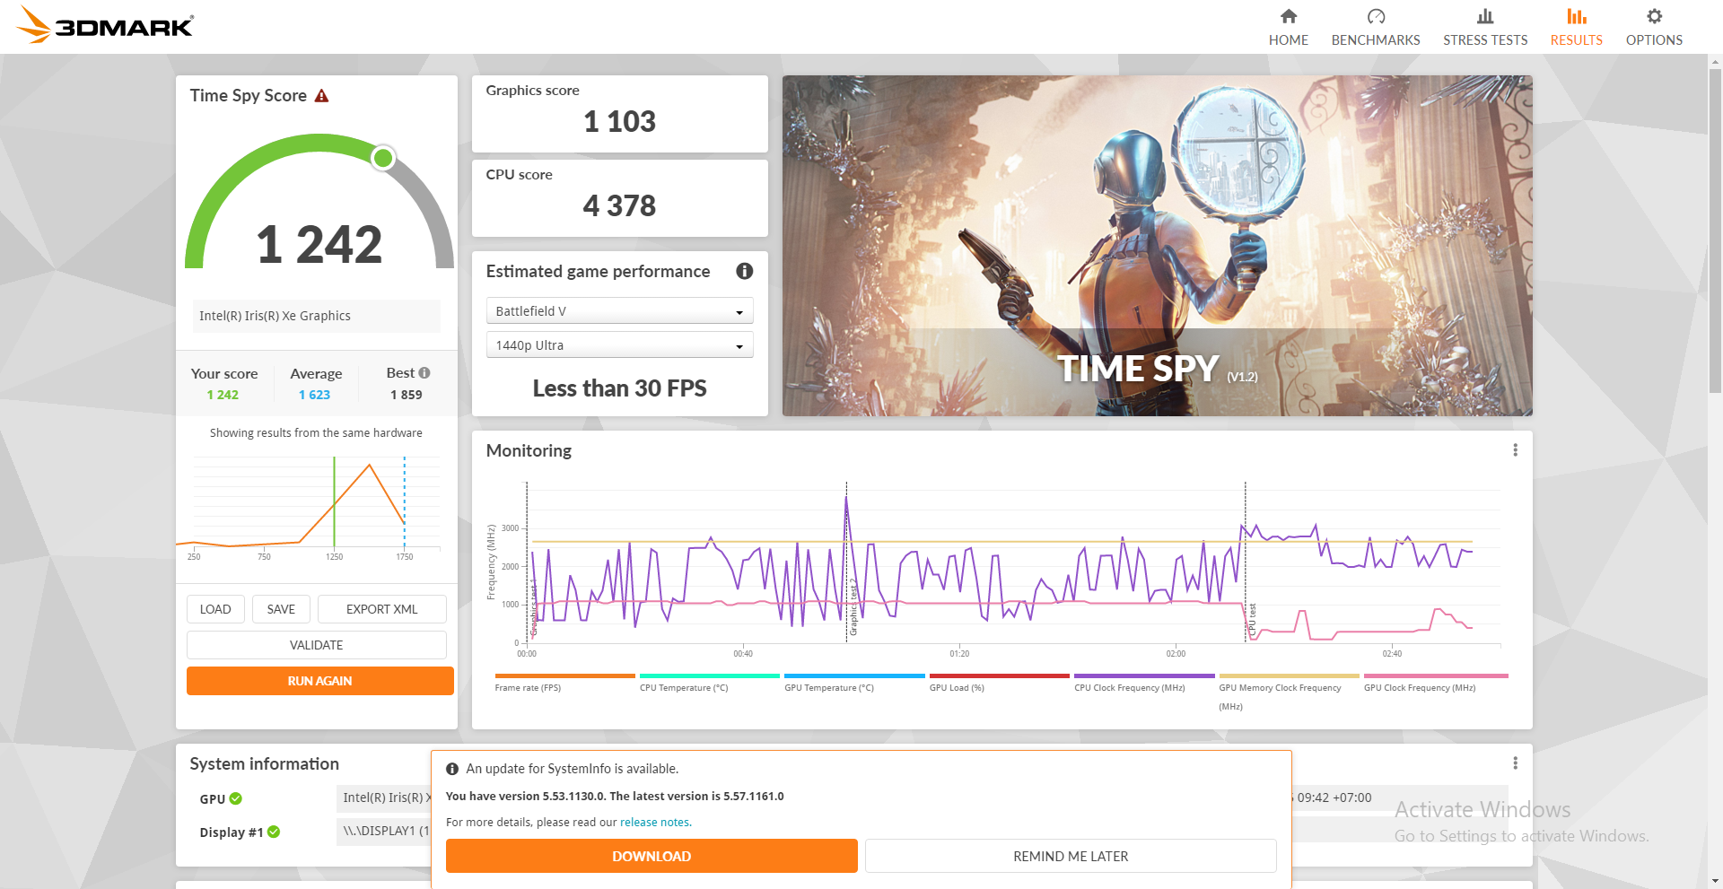
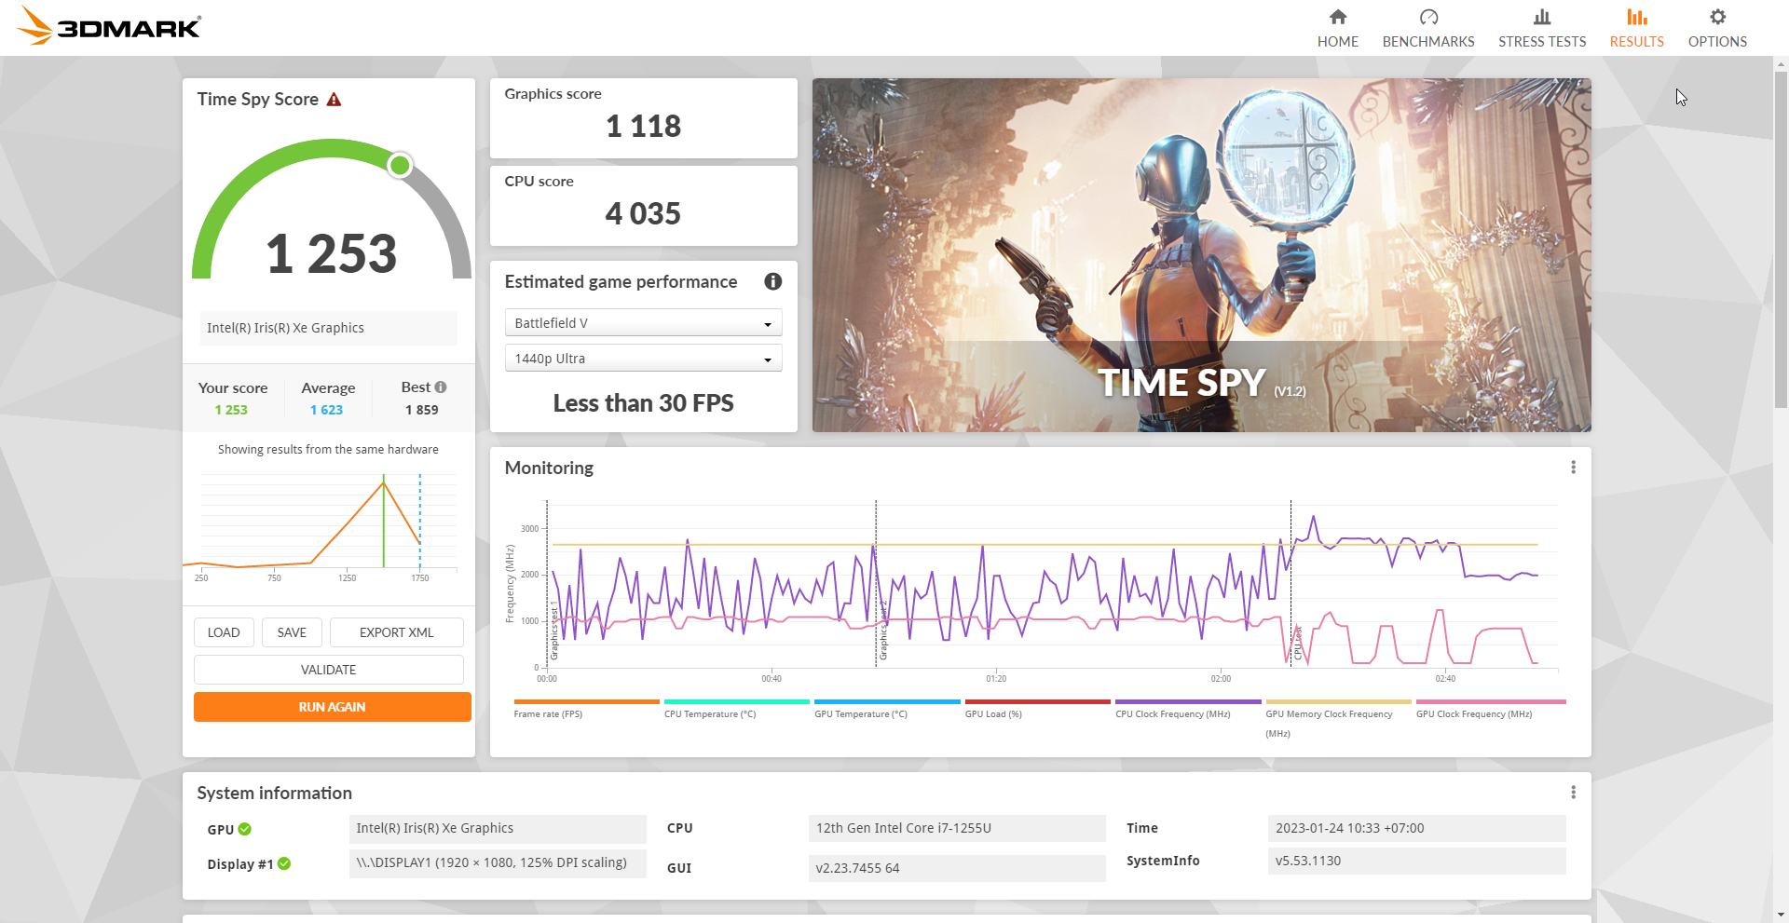

 |  | Night Raid
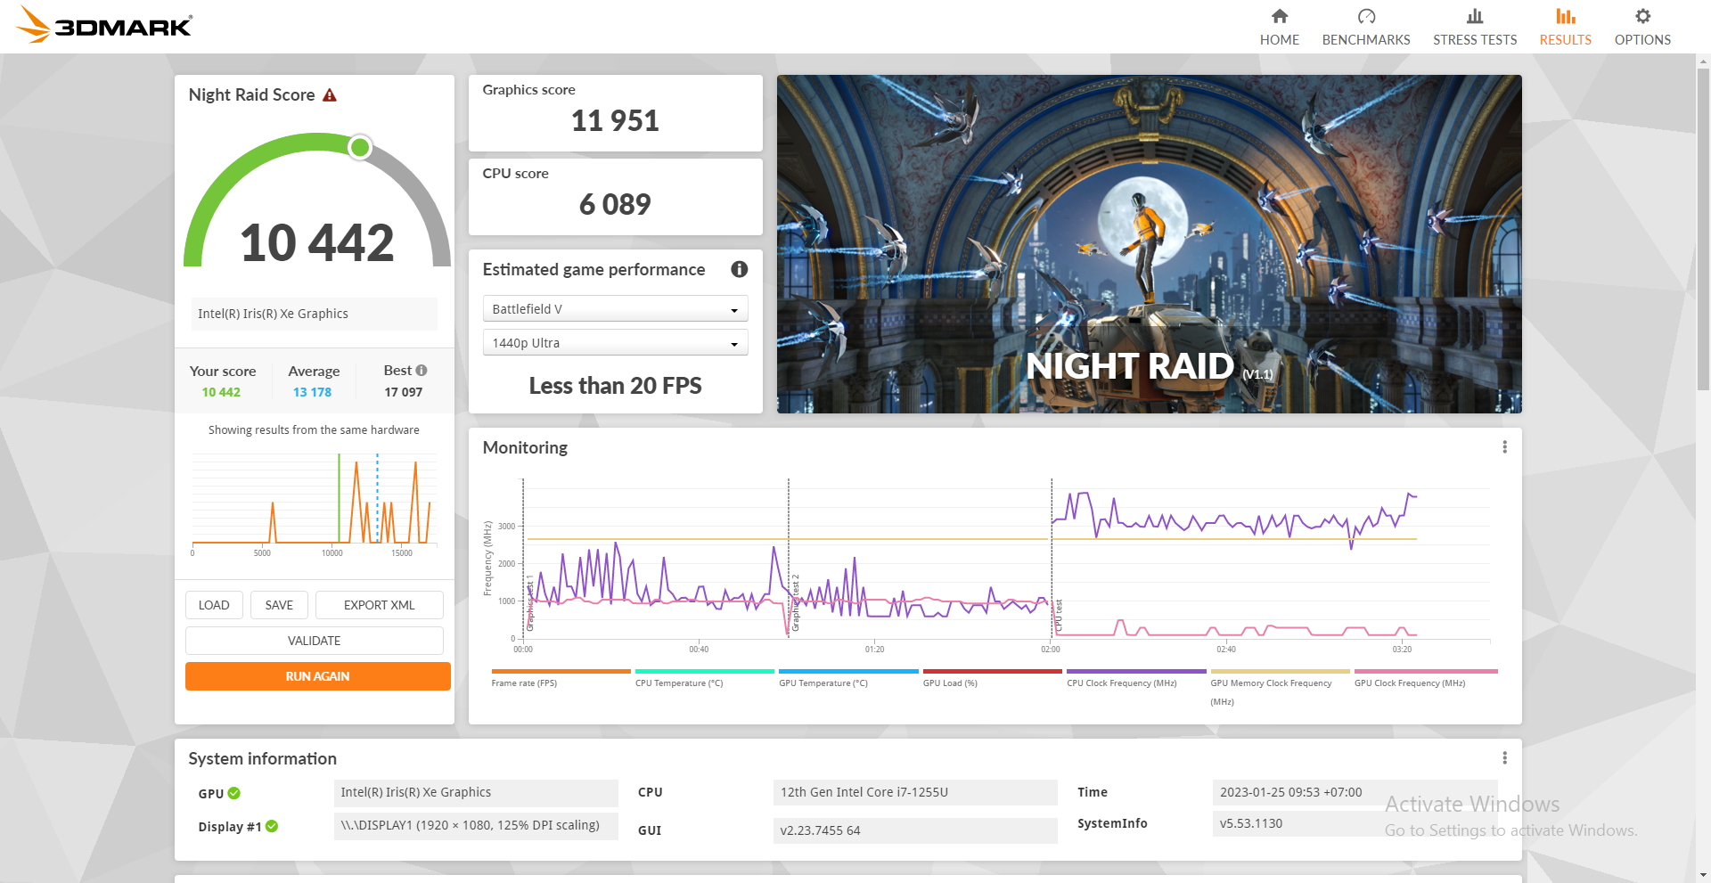
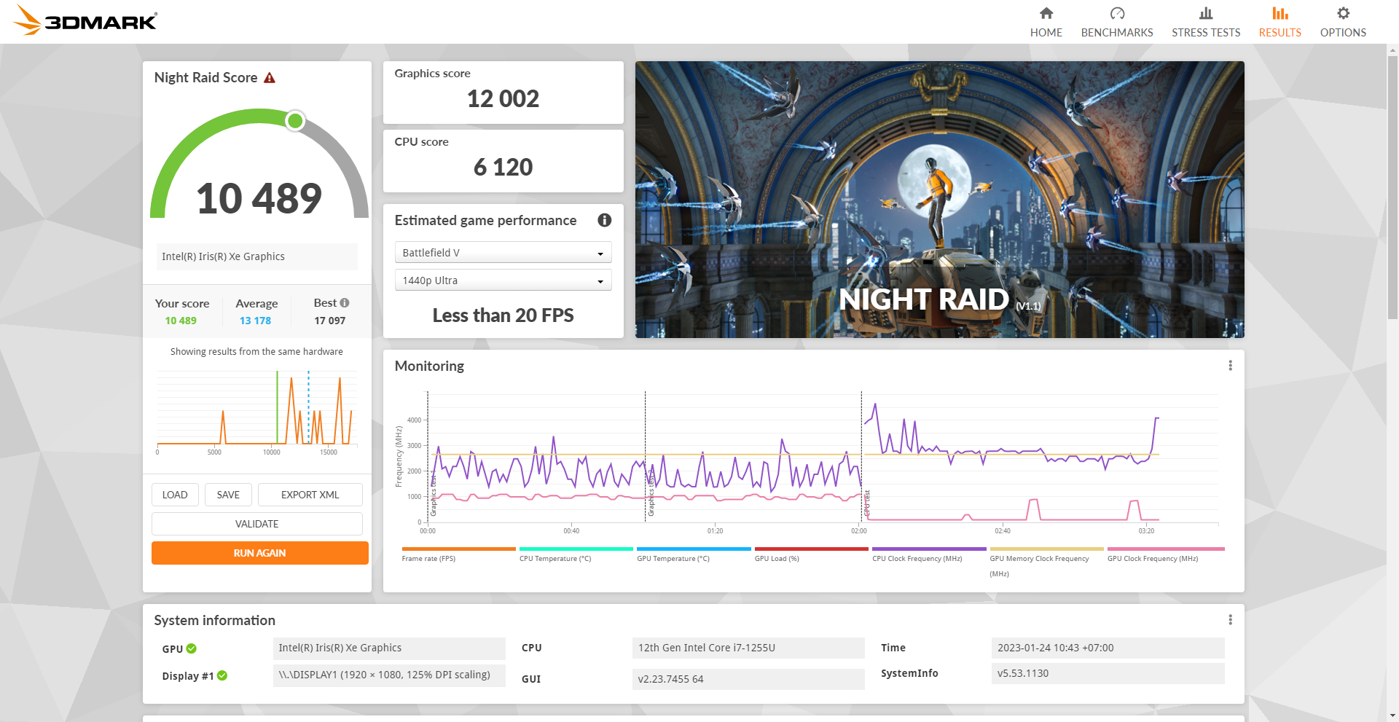

 |  |  | 5. PASSMARK TEST

 |  |  |  |  | Passmark test saat unit sedang dalam kondisi di charger

BatteryTest
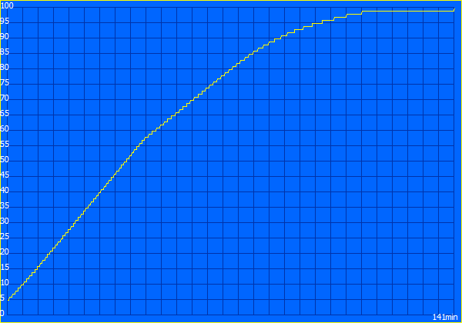
Battery Test
No. | Battery Test | Duration | Remarks
1 | StandBy | 9:56:32 | Using Baterry Eater Reader Test
2 | Work Time | 1:54:35 | Using Baterry Eater Classic Test
3 | Charging | 2:21:02 | Using Baterry Eater Charging Test
4 | Youtube 1080p | 4:18:00 | Brightness 50% Volume 25%

1. StandBy |  |  |  | 2. WorkTime

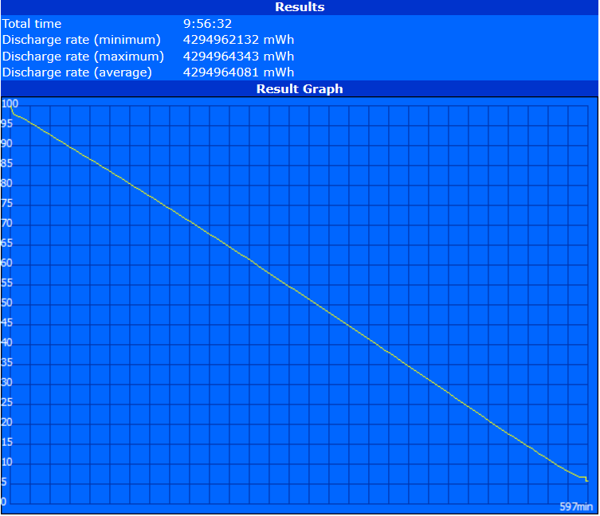
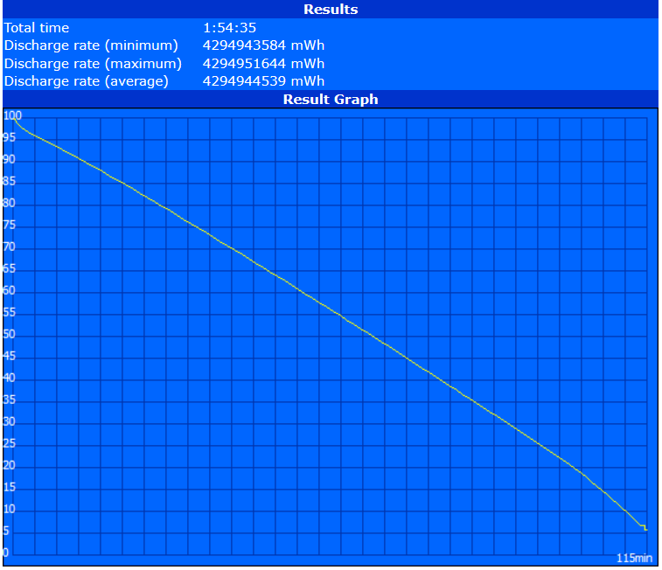

3. Charger Time

Additional Info
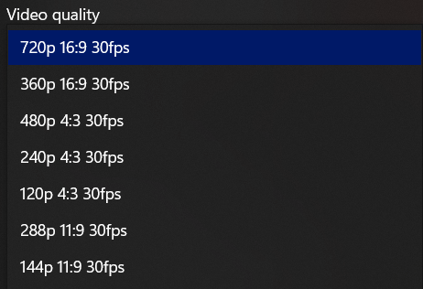
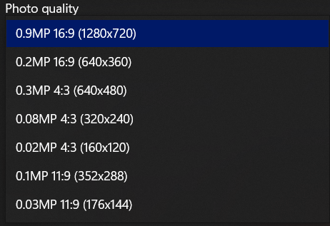
1. LAN Version |  |  | 2. Wireless Version |  |  | 3. Bluetooth Version
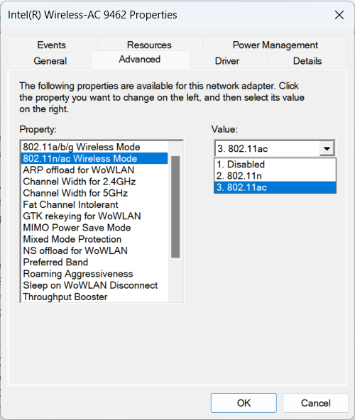
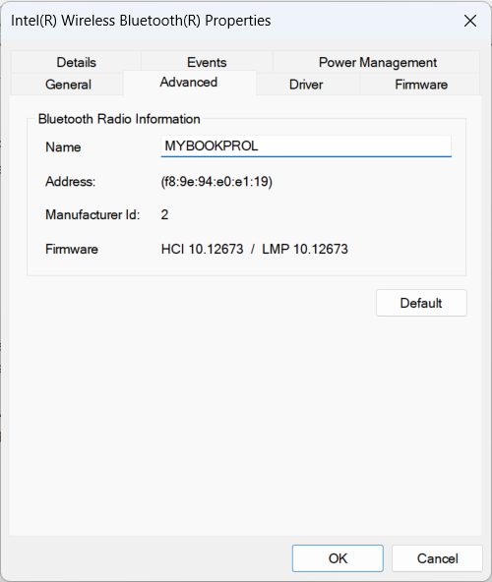
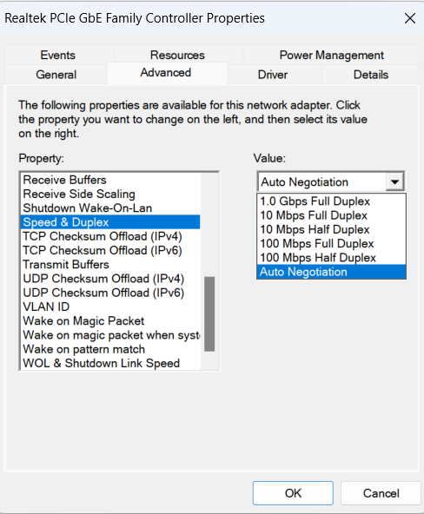
 |  |  |  |  |  |  | Bluetooth Core 5.1

 | 4. RAM

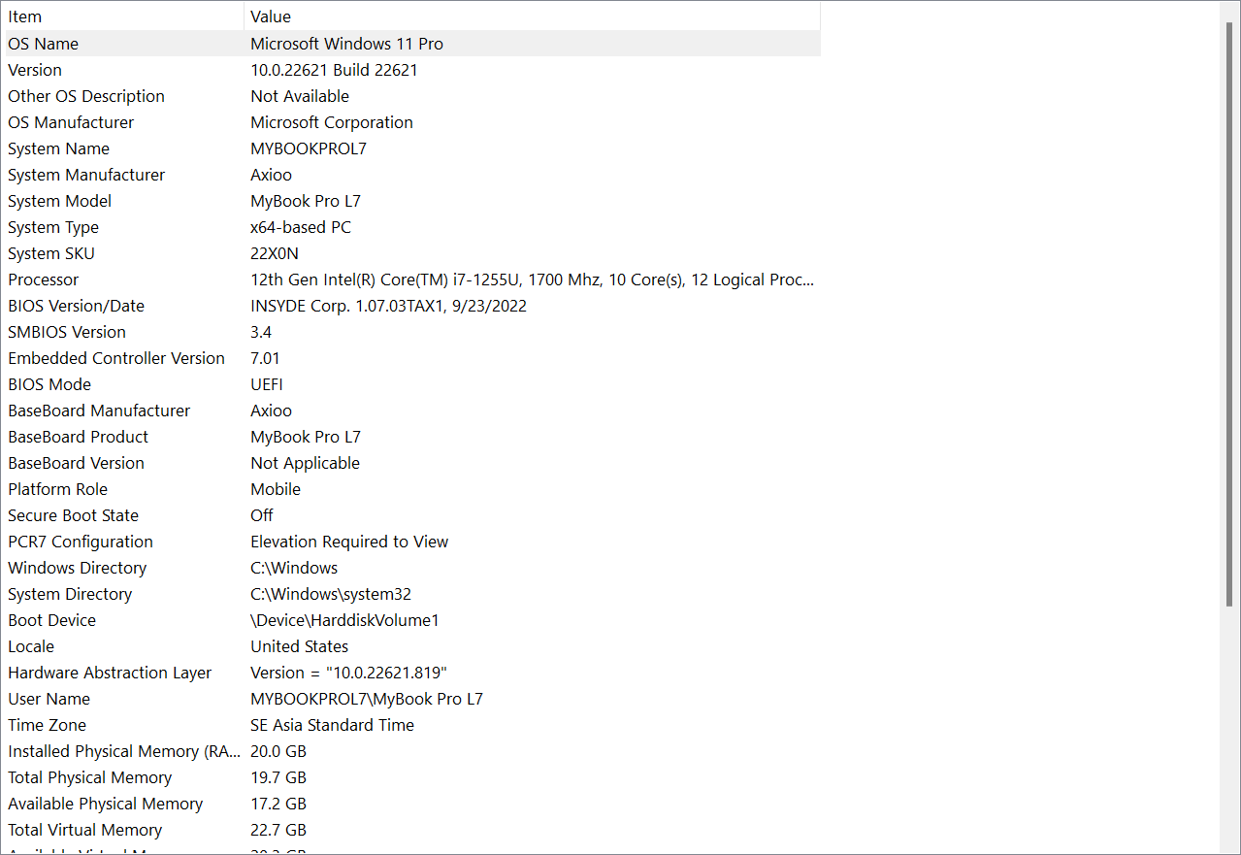
 | 6. System Information
 |  |  |  |  | 7. Display
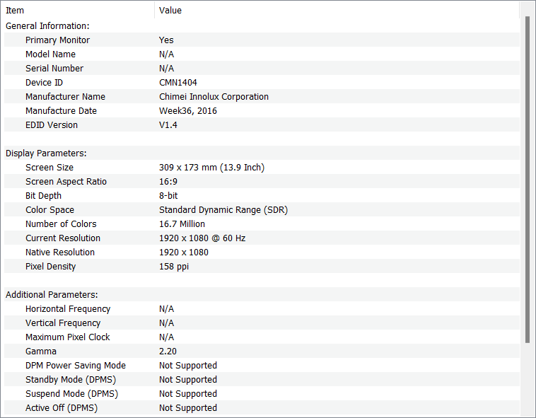

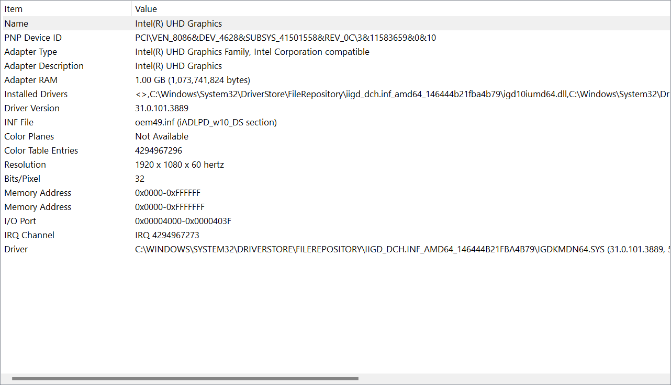

 |  | 8. Sound Device

 | 9. Camera Setting |  |  | 10. Video Setting

